Summary
TC ID | Title | Status | Severity | Priority | Tester
BU_001 |  | Open | Blocker | Low | QAna
BU_002 |  | Open | Medium | Low | QAndrew
BU_003 |  | Open | Medium | Low | POli
BU_004 |  | Open | Medium | Low | BOSSa
BU_005 |  | Open | Medium | Low | QAndrew
BU_006 |  | Open | Medium | Low | LEADon
BU_007 |  | Open | Medium | Low | QAndrew
BU_008 |  | Open | Medium | Low | DEViakis

BU_009 |  | Open | Medium | Low | DEVian

Nota 1: | Esta pestaña contiene el resumen de los informes de defectos (Defect 1, Defect 2, etc.). Al llenarse los campos de la pestaña correspondiente a cada defecto, se actualizará esta pestaña.
Nota 2: | Al final verás una pestaña "Params", alli se pueden personalizar los parámetros de los defectos, por ejemplo agregar, eliminar o modificar los nombres de los testers, desarrolladores, ambientes, estados, etc.
Nota 3: | Defect 1, Defect 2, Defect 3 ..., Defect 10 representan los defectos. Puedes copiar la pestaña y agregar tantos como necesites.

Defect 1
Defect ID |  | BU_001 |  | Title
Created By |  | QAna |  | Reviewed By | Bill (the boss) |  | Version | 1.5
Project name |  | Full Advanced learning platform |  | Module name | Authentication |  | Stage | Testing
Environment |  | Test 1 |  | Device | Browser (Chrome 108.0) |  | Test Level | System
Testing date |  | 2023-01-20 |  | Status | Open |  | Test Type | Functional
Severity |  | Blocker |  | Priority | Low

Incident Summary |  | When trying to Login to the application using valid values for the UserId and Password field, the access is denied and an error message is displayed.

Ticket Log |  | - Report reviewed and approved - 2023/01/21 - Ticket assigned to a developer 2023/01/22

P# | Prerequisites: |  |  |  | TD# | Test Data
1 | Access to Chrome Browser |  |  |  | 1 | Userid = FullAdvanced| Pass = FA847569D
2 | A previously created active user |  |  |  | 2 | Userid = usr54321 | Pass = asdf233@2321
3 |  |  |  |  | 3

Post conditions |  | After login any failed try must be restarted to 0

Test Scenario | Verify on entering valid userid and password, the customer can login

Steps to reproduce the issue
Step # | Step Details

1 | Navigate to fulladvanced.com
2 | Enter Userid & Password
3 | Click "Start session" button
4 | An error message is displayed

Expected behavior |  | The welcome page should be displayed |  |  | Affected Areas
Actual result |  | - An error message "invalid user" is displayed - All the fields are restarted |  |  | Conclusion / Recommendations

Attachments
Login page |  |  | Error message
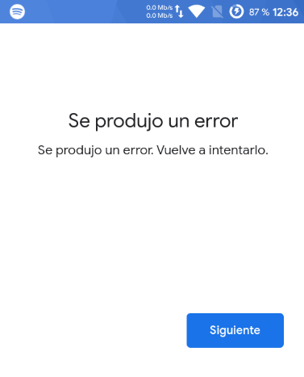
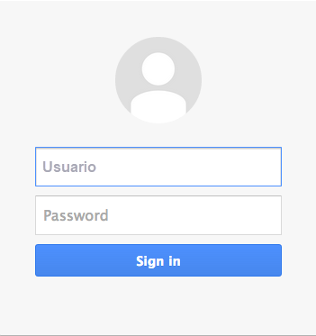

Approvals |  | Bill, Mike, John
References |  | Requirement_101.pdf

